11. Age Distribution
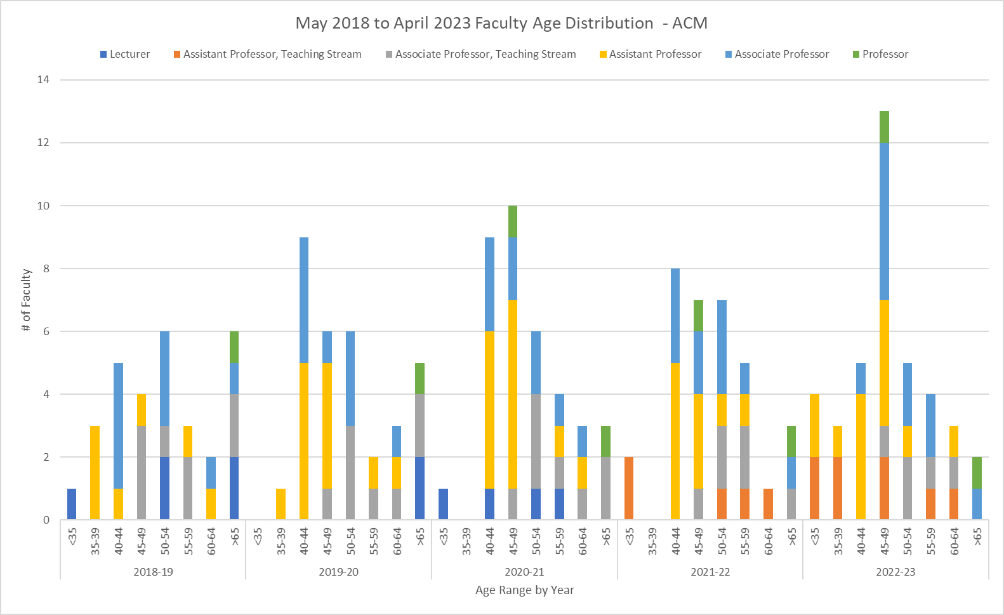
May 2018 to April 2023 Faculty Age Distribution - ACM

